Hoja1
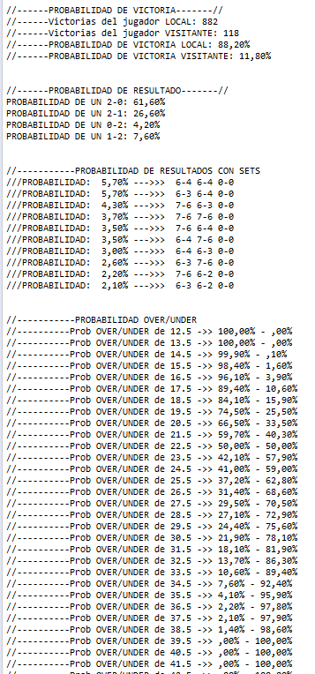
Benoit Paire | 6 | 4 | Alex Bolt | 4 | 5 | Bernard Tomic | Vict 2-0
Tomas Berdych | 7 | 6 | Mackenzie McDonald | 6 | 7 | Fernando Verdasco | Vict 2-1

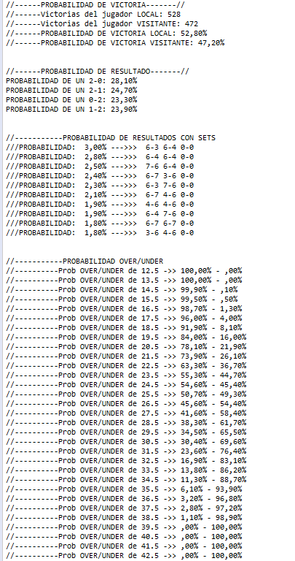
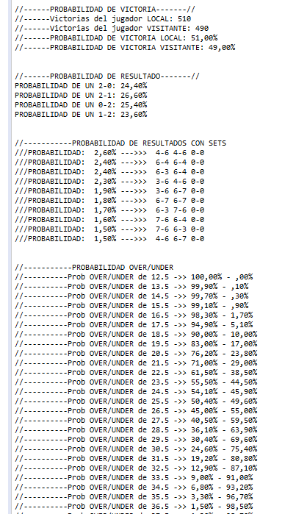
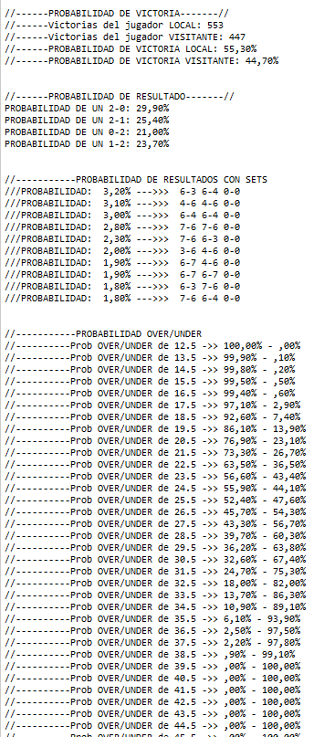

Milos Raonic | 6 | 6
Marton Fucsovics | 2 | 4

